Han
RK | TEAM | SKATERS |  |  |  |  |  |  |  |  |  |  |  | GOALIES |  |  |  |  | TOTAL
1 |  | G | A | +/- | PIM | PPG | SHG | SHA | GWG | HAT | SOG | HIT | BLK | W | GA | SV | SO | OTL | TOT | CHG
 | Triple F Brown Club | 6250 | 8525 | 200 | 1098 | 660 | 100 | 20 | 800 | 150 | 3988 | 901 | 1390 | 2160 | -5025 | 6510 | 200 | 240 | 28167 | 222
2 | Smell the Glove | 5625 | 9825 | 180 | 1062 | 630 | 20 | 30 | 720 | 75 | 3740 | 625 | 986 | 2040 | -4185 | 5670 | 400 | 280 | 27723 | 277
 | Bombay's Ducks | 6200 | 8975 | 115 | 1023 | 650 | 220 | 50 | 880 | 150 | 4094 | 804 | 1314 | 1760 | -3555 | 4828 | 50 | 100 | 27658 | 201
3 | The MontrÃ©al SNIPER | 5025 | 10125 | 30 | 1137 | 550 | 80 | 40 | 600 | 25 | 3484 | 644 | 1166 | 2480 | -5460 | 6838 | 400 | 340 | 27504 | 283
 | UVIC Entrepreneurs | 4675 | 9000 | 125 | 1089 | 380 | 100 | 90 | 620 | 125 | 3586 | 796 | 1324 | 2480 | -4005 | 6162 | 500 | 200 | 27247 | 286
4 | Daaa Byrnes | 5350 | 7650 | 245 | 1152 | 670 | 120 | 60 | 640 | 150 | 3696 | 957 | 1526 | 2240 | -4395 | 5326 | 300 | 240 | 25927 | 223
 | 2 Sedins No Cup | 5275 | 7675 | 325 | 798 | 510 | 100 | 30 | 620 | 200 | 3526 | 597 | 1166 | 2280 | -5910 | 7856 | 150 | 360 | 25558 | 346
5 | Perfect Storm | 4800 | 9300 | 5 | 780 | 420 | 100 | 50 | 720 | 100 | 3806 | 581 | 1166 | 2040 | -3780 | 4854 | 250 | 160 | 25352 | 350
 | No Diggity, No Doughty | 4500 | 8475 | -345 | 1296 | 530 | 40 | 30 | 540 | 100 | 3726 | 1130 | 1248 | 1880 | -3705 | 5374 | 150 | 220 | 25189 | 305
6 | ShowMe OnTheDoll | 4100 | 8500 | -110 | 1176 | 490 | 100 | 30 | 440 | 25 | 3554 | 767 | 1438 | 2320 | -4185 | 5462 | 550 | 140 | 24797 | 400
 | Puck Norris | 4575 | 9025 | 260 | 1173 | 450 | 40 | 10 | 680 | 25 | 3366 | 605 | 1198 | 1600 | -4260 | 5118 | 250 | 180 | 24295 | 198
7 | Swamptown Sparkletwins | 4875 | 8275 | -110 | 1140 | 540 | 40 | 10 | 640 | 25 | 3586 | 641 | 1232 | 1880 | -5595 | 6564 | 100 | 280 | 24123 | 351
 | The Dark Rangers | 4125 | 7500 | -40 | 1506 | 290 | 80 | 60 | 640 | 0 | 3700 | 942 | 1312 | 1800 | -2835 | 4428 | 200 | 100 | 23808 | 265
8 | Buncha Saad Sacks | 3900 | 7000 | 295 | 1092 | 370 | 60 | 20 | 480 | 50 | 2910 | 687 | 1262 | 2200 | -3900 | 5946 | 450 | 260 | 23082 | 143
 | Ca Lucky ducks | 4175 | 7200 | 130 | 972 | 510 | 100 | 40 | 540 | 75 | 3350 | 811 | 1038 | 1800 | -4275 | 5414 | 250 | 260 | 22390 | 226
9

10

11

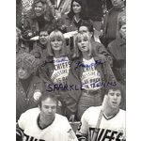
12

13

14

15

Season Stats
 |  | SKATERS |  |  |  |  |  |  |  |  |  |  |  | GOALIES
RK | TEAM | G | A | +/- | PIM | PPG | SHG | SHA | GWG | HAT | SOG | HIT | BLK | W | GA | SV | SO | OTL | MOVES
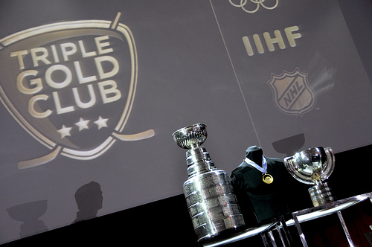
1 |  | 250 | 341 | 40 | 366 | 66 | 5 | 2 | 40 | 6 | 1994 | 901 | 695 | 54 | 335 | 3255 | 4 | 12 | 44
 | Triple F Brown Club | 248 | 359 | 23 | 341 | 65 | 11 | 5 | 44 | 6 | 2047 | 804 | 657 | 44 | 237 | 2414 | 1 | 5 | 42
3 |  | 225 | 393 | 36 | 354 | 63 | 1 | 3 | 36 | 3 | 1870 | 625 | 493 | 51 | 279 | 2835 | 8 | 14 | 42
 | Bombay's Ducks | 201 | 405 | 6 | 379 | 55 | 4 | 4 | 30 | 1 | 1742 | 644 | 583 | 62 | 364 | 3419 | 8 | 17 | 42
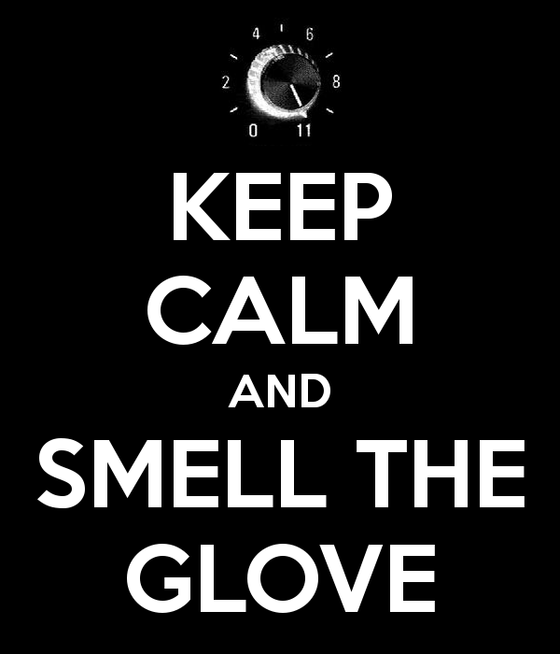
2 |  | 187 | 360 | 25 | 363 | 38 | 5 | 9 | 31 | 5 | 1793 | 796 | 662 | 62 | 267 | 3081 | 10 | 10 | 42
 | Smell the Glove | 214 | 306 | 49 | 384 | 67 | 6 | 6 | 32 | 6 | 1848 | 957 | 763 | 56 | 293 | 2663 | 6 | 12 | 42
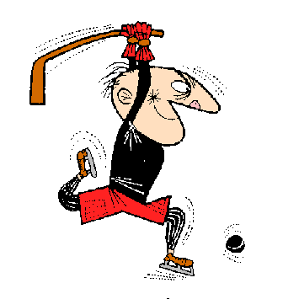
4 |  | 211 | 307 | 65 | 266 | 51 | 5 | 3 | 31 | 8 | 1763 | 597 | 583 | 57 | 394 | 3928 | 3 | 18 | 42
 | The MontrÃ©al SNIPER | 192 | 372 | 1 | 260 | 42 | 5 | 5 | 36 | 4 | 1903 | 581 | 583 | 51 | 252 | 2427 | 5 | 8 | 51
5 |  | 180 | 339 | -69 | 432 | 53 | 2 | 3 | 27 | 4 | 1863 | 1130 | 624 | 47 | 247 | 2687 | 3 | 11 | 51
 | UVIC Entrepreneurs | 164 | 340 | -22 | 392 | 49 | 5 | 3 | 22 | 1 | 1777 | 767 | 719 | 58 | 279 | 2731 | 11 | 7 | 51
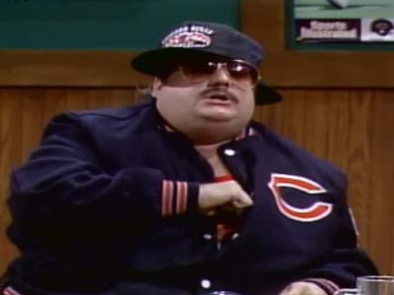
6 |  | 183 | 361 | 52 | 391 | 45 | 2 | 1 | 34 | 1 | 1683 | 605 | 599 | 40 | 284 | 2559 | 5 | 9 | 51
 | Daaa Byrnes | 195 | 331 | -22 | 380 | 54 | 2 | 1 | 32 | 1 | 1793 | 641 | 616 | 47 | 373 | 3282 | 2 | 14 | 51
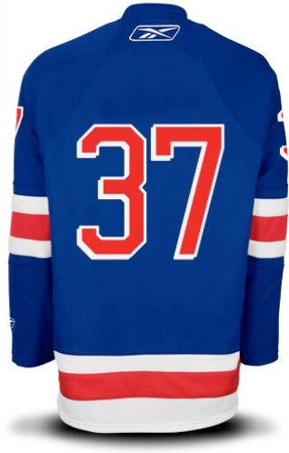
7 |  | 165 | 300 | -8 | 502 | 29 | 4 | 6 | 32 | 0 | 1850 | 942 | 656 | 45 | 189 | 2214 | 4 | 5 | 51
 | 2 Sedins No Cup | 156 | 280 | 59 | 364 | 37 | 3 | 2 | 24 | 2 | 1455 | 687 | 631 | 55 | 260 | 2973 | 9 | 13 | 51
8 |  | 167 | 288 | 26 | 324 | 51 | 5 | 4 | 27 | 3 | 1675 | 811 | 519 | 45 | 285 | 2707 | 5 | 13 | 51
 | Perfect Storm
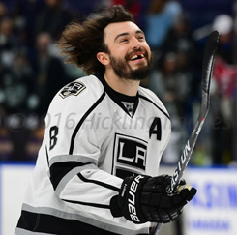
9
 | No Diggity, No Doughty
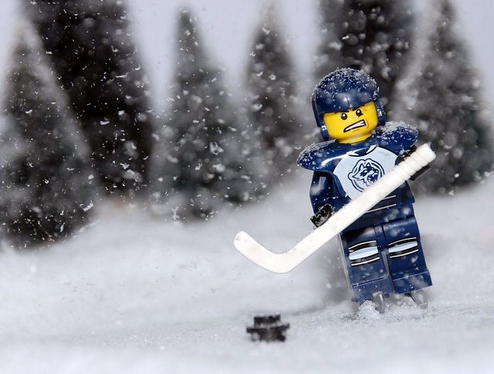
10
 | ShowMe OnTheDoll
11
 | Puck Norris
12
 | Swamptown Sparkletwins
13
 | The Dark Rangers
14
 | Buncha Saad Sacks
15
 | Ca Lucky ducks

Upt
RK | TEAM | SKATERS |  |  |  |  |  |  |  |  |  |  |  | GOALIES |  |  |  |  | TOTAL
1 |  | G | A | +/- | PIM | PPG | SHG | SHA | GWG | HAT | SOG | HIT | BLK | W | GA | SV | SO | OTL | TOT | CHG
 | Mischief Managed | 5725 | 11775 | 75 | 1062 | 630 | 20 | 30 | 680 | 75 | 4428 | 812 | 1432 | 2400 | -4305 | 6158 | 400 | 160 | 31557 | 591
2 | Homestar Chychrunner | 5125 | 10525 | -45 | 1362 | 690 | 40 | 20 | 600 | 50 | 4372 | 855 | 1418 | 2120 | -4950 | 6572 | 250 | 320 | 29324 | 361
 | Team Traditis | 5025 | 9975 | 325 | 1200 | 580 | 180 | 40 | 560 | 25 | 3714 | 751 | 1344 | 2200 | -4575 | 5854 | 200 | 240 | 27638 | 77
3 | WHA Fanatics | 5450 | 9600 | 70 | 1113 | 770 | 120 | 50 | 700 | 100 | 3912 | 747 | 1350 | 1840 | -3570 | 4900 | 300 | 120 | 27572 | 300
 | Red Light District | 5900 | 8150 | -35 | 819 | 620 | 60 | 0 | 780 | 125 | 3532 | 744 | 1134 | 2520 | -5010 | 6834 | 450 | 340 | 26963 | 303
4 | Nova Troublemakers | 5400 | 8550 | 100 | 1176 | 530 | 60 | 40 | 720 | 150 | 3954 | 659 | 1172 | 1960 | -4785 | 6404 | 150 | 260 | 26500 | 215
 | McLovin's Superbads | 5325 | 8425 | 175 | 1131 | 490 | 100 | 40 | 740 | 50 | 3706 | 743 | 1302 | 2200 | -4920 | 6176 | 250 | 260 | 26193 | 220
5 | Teemu Salamis | 5275 | 6850 | -15 | 1134 | 670 | 20 | 20 | 760 | 125 | 3654 | 764 | 1134 | 2600 | -4380 | 5978 | 650 | 180 | 25419 | 427
 | Calgary Legion of Doom | 4725 | 8775 | 105 | 1368 | 380 | 40 | 40 | 560 | 75 | 3424 | 819 | 1440 | 1800 | -3165 | 4406 | 400 | 160 | 25352 | 214
6 | I'm Bettman! 🦇 | 5000 | 9250 | 200 | 1134 | 450 | 80 | 50 | 620 | 100 | 3486 | 749 | 1112 | 1440 | -3090 | 3746 | 150 | 280 | 24757 | 174
 | Chesapeake Narwhals | 4850 | 8150 | 335 | 924 | 470 | 120 | 50 | 920 | 100 | 3748 | 851 | 1468 | 1480 | -3630 | 4788 | 50 | 80 | 24754 | 191
7 | Edentulous Storm | 4350 | 9550 | 235 | 1191 | 440 | 180 | 80 | 680 | 50 | 3484 | 584 | 1344 | 1440 | -4020 | 4752 | 50 | 200 | 24590 | 265
 | Seattle Kraken | 4225 | 6600 | -240 | 1104 | 450 | 60 | 30 | 420 | 75 | 3256 | 906 | 1232 | 2320 | -4545 | 5948 | 400 | 240 | 22481 | 495
8 | NH Wildcats | 3975 | 6175 | 50 | 900 | 370 | 140 | 30 | 600 | 25 | 3306 | 807 | 1310 | 2200 | -5085 | 6650 | 150 | 260 | 21863 | 75
 | Bean Counter - Marsh | 4400 | 7200 | -405 | 1020 | 460 | 60 | 20 | 600 | 75 | 3238 | 929 | 1090 | 1800 | -4455 | 5428 | 150 | 240 | 21850 | 214
9

10

11

12

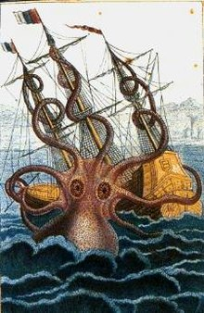
13

14

15

Season Stats
 |  | SKATERS |  |  |  |  |  |  |  |  |  |  |  | GOALIES
RK | TEAM | G | A | +/- | PIM | PPG | SHG | SHA | GWG | HAT | SOG | HIT | BLK | W | GA | SV | SO | OTL | MOVES
1 |  | 229 | 471 | 15 | 354 | 63 | 1 | 3 | 34 | 3 | 2214 | 812 | 716 | 60 | 287 | 3079 | 8 | 8 | 43
 | Mischief Managed | 205 | 421 | -9 | 454 | 69 | 2 | 2 | 30 | 2 | 2186 | 855 | 709 | 53 | 330 | 3286 | 5 | 16 | 42
2 |  | 201 | 399 | 65 | 400 | 58 | 9 | 4 | 28 | 1 | 1857 | 751 | 672 | 55 | 305 | 2927 | 4 | 12 | 42
 | Homestar Chychrunner | 218 | 384 | 14 | 371 | 77 | 6 | 5 | 35 | 4 | 1956 | 747 | 675 | 46 | 238 | 2450 | 6 | 6 | 42
3 |  | 236 | 326 | -7 | 273 | 62 | 3 | 0 | 39 | 5 | 1766 | 744 | 567 | 63 | 334 | 3417 | 9 | 17 | 42
 | Team Traditis | 216 | 342 | 20 | 392 | 53 | 3 | 4 | 36 | 6 | 1977 | 659 | 586 | 49 | 319 | 3202 | 3 | 13 | 42
4 |  | 213 | 337 | 35 | 377 | 49 | 5 | 4 | 37 | 2 | 1853 | 743 | 651 | 55 | 328 | 3088 | 5 | 13 | 42
 | WHA Fanatics | 189 | 351 | 21 | 456 | 38 | 2 | 4 | 28 | 3 | 1712 | 819 | 720 | 45 | 211 | 2203 | 8 | 8 | 51
5 |  | 211 | 274 | -3 | 378 | 67 | 1 | 2 | 38 | 5 | 1827 | 764 | 567 | 65 | 292 | 2989 | 13 | 9 | 51
 | Red Light District | 200 | 370 | 40 | 378 | 45 | 4 | 5 | 31 | 4 | 1743 | 749 | 556 | 36 | 206 | 1873 | 3 | 14 | 51
6 |  | 194 | 326 | 67 | 308 | 47 | 6 | 5 | 46 | 4 | 1874 | 851 | 734 | 37 | 242 | 2394 | 1 | 4 | 51
 | Nova Troublemakers | 174 | 382 | 47 | 397 | 44 | 9 | 8 | 34 | 2 | 1742 | 584 | 672 | 36 | 268 | 2376 | 1 | 10 | 51
7 |  | 169 | 264 | -48 | 368 | 45 | 3 | 3 | 21 | 3 | 1628 | 906 | 616 | 58 | 303 | 2974 | 8 | 12 | 54
 | McLovin's Superbads | 159 | 247 | 10 | 300 | 37 | 7 | 3 | 30 | 1 | 1653 | 807 | 655 | 55 | 339 | 3325 | 3 | 13 | 51
9 |  | 176 | 288 | -81 | 340 | 46 | 3 | 2 | 30 | 3 | 1619 | 929 | 545 | 45 | 297 | 2714 | 3 | 12 | 51
 | Calgary Legion of Doom
8
 | Teemu Salamis
10
 | I'm Bettman! 🦇
11
 | Chesapeake Narwhals
12
 | Edentulous Storm
13
 | Seattle Kraken
14
 | NH Wildcats
15
 | Bean Counter - Marsh

Swa
RK | TEAM | SKATERS |  |  |  |  |  |  |  |  |  |  |  | GOALIES |  |  |  |  | TOTAL
1 |  | G | A | +/- | PIM | PPG | SHG | SHA | GWG | HAT | SOG | HIT | BLK | W | GA | SV | SO | OTL | TOT | CHG
 | Boedker? I Hardly Know Her | 5850 | 8575 | -15 | 1428 | 660 | 60 | 10 | 760 | 25 | 4070 | 1067 | 1660 | 2520 | -4110 | 5502 | 600 | 140 | 28802 | 549
2 | Jim Peplinski | 5875 | 10825 | 415 | 807 | 520 | 120 | 40 | 880 | 75 | 3906 | 550 | 1258 | 1480 | -4005 | 4914 | 300 | 200 | 28160 | 143
 | Balkin Hitmen | 5025 | 9500 | 85 | 1005 | 580 | 40 | 40 | 540 | 100 | 3592 | 719 | 1364 | 2920 | -4755 | 6722 | 300 | 260 | 28037 | 359
3 | Pieface McKenzie | 5400 | 8275 | -140 | 1095 | 730 | 80 | 50 | 640 | 50 | 3900 | 904 | 1400 | 2600 | -3885 | 6064 | 550 | 200 | 27913 | 394
 | Hartford Whale Tails | 4525 | 9225 | -80 | 1278 | 440 | 200 | 30 | 480 | 75 | 3534 | 705 | 1208 | 2360 | -4110 | 6314 | 450 | 260 | 26894 | 275
4 | Fargin Iceholes | 5125 | 9725 | 5 | 819 | 600 | 80 | 70 | 660 | 50 | 3844 | 671 | 1222 | 2240 | -4395 | 5638 | 300 | 180 | 26834 | 352
 | SVEN GOALIE | 4550 | 8850 | 70 | 1317 | 490 | 120 | 60 | 640 | 50 | 3670 | 804 | 1216 | 2520 | -4725 | 6100 | 300 | 260 | 26292 | 206
5 | Otter's Gonna Eat Ya | 4450 | 9325 | 200 | 1302 | 570 | 40 | 20 | 660 | 50 | 3474 | 856 | 1348 | 2000 | -3120 | 4672 | 250 | 180 | 26277 | 417
 | Rats On Ice | 4750 | 8775 | 405 | 762 | 450 | 60 | 40 | 760 | 50 | 3144 | 536 | 1070 | 2160 | -6840 | 8502 | 250 | 360 | 25234 | 191
6 | Hart For Hart | 4875 | 7950 | 155 | 1482 | 510 | 20 | 20 | 560 | 125 | 3898 | 820 | 1206 | 1960 | -4500 | 5772 | 50 | 140 | 25043 | 323
 | Ring Ten Bells | 5000 | 7425 | -20 | 921 | 570 | 80 | 30 | 660 | 50 | 3478 | 747 | 1230 | 2040 | -4875 | 6344 | 200 | 240 | 24120 | 271
7 | Beantown Beatdown | 4925 | 7150 | -30 | 927 | 570 | 60 | 40 | 620 | 175 | 3710 | 871 | 1146 | 1880 | -4710 | 6014 | 200 | 240 | 23788 | 239
 | Fleury Road | 5050 | 7725 | -15 | 1116 | 480 | 140 | 50 | 740 | 125 | 3736 | 767 | 1344 | 1080 | -2385 | 3344 | 250 | 80 | 23627 | 263
8 | Mighty Schmucks My Shmks | 4150 | 6700 | 95 | 1044 | 380 | 100 | 40 | 480 | 125 | 3158 | 573 | 1180 | 1480 | -2865 | 4110 | 300 | 160 | 21210 | 369
 | spoked B brawlers | 3250 | 7150 | -25 | 1071 | 280 | 40 | 60 | 500 | 25 | 2550 | 585 | 942 | 1560 | -3510 | 4768 | 300 | 260 | 19806 | -8
9

10

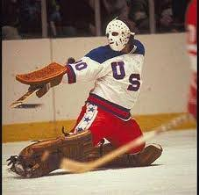
11

12

13

14

15

Season Stats
 |  | SKATERS |  |  |  |  |  |  |  |  |  |  |  | GOALIES
RK | TEAM | G | A | +/- | PIM | PPG | SHG | SHA | GWG | HAT | SOG | HIT | BLK | W | GA | SV | SO | OTL | MOVES
1 |  | 234 | 343 | -3 | 476 | 66 | 3 | 1 | 38 | 1 | 2035 | 1067 | 830 | 63 | 274 | 2751 | 12 | 7 | 42
 | Boedker? I Hardly Know Her | 235 | 433 | 83 | 269 | 52 | 6 | 4 | 44 | 3 | 1953 | 550 | 629 | 37 | 267 | 2457 | 6 | 10 | 42
2 |  | 201 | 380 | 17 | 335 | 58 | 2 | 4 | 27 | 4 | 1796 | 719 | 682 | 73 | 317 | 3361 | 6 | 13 | 43
 | Jim Peplinski | 216 | 331 | -28 | 365 | 73 | 4 | 5 | 32 | 2 | 1950 | 904 | 700 | 65 | 259 | 3032 | 11 | 10 | 42
3 |  | 181 | 369 | -16 | 426 | 44 | 10 | 3 | 24 | 3 | 1767 | 705 | 604 | 59 | 274 | 3157 | 9 | 13 | 43
 | Balkin Hitmen | 205 | 389 | 1 | 273 | 60 | 4 | 7 | 33 | 2 | 1922 | 671 | 611 | 56 | 293 | 2819 | 6 | 9 | 42
4 |  | 178 | 373 | 40 | 434 | 57 | 2 | 2 | 33 | 2 | 1737 | 856 | 674 | 50 | 208 | 2336 | 5 | 9 | 42
 | Pieface McKenzie | 182 | 354 | 14 | 439 | 49 | 6 | 6 | 32 | 2 | 1835 | 804 | 608 | 63 | 315 | 3050 | 6 | 13 | 43
5 |  | 190 | 351 | 81 | 254 | 45 | 3 | 4 | 38 | 2 | 1572 | 536 | 535 | 54 | 456 | 4251 | 5 | 18 | 51
 | Hartford Whale Tails | 195 | 318 | 31 | 494 | 51 | 1 | 2 | 28 | 5 | 1949 | 820 | 603 | 49 | 300 | 2886 | 1 | 7 | 51
6 |  | 200 | 297 | -4 | 307 | 57 | 4 | 3 | 33 | 2 | 1739 | 747 | 615 | 51 | 325 | 3172 | 4 | 12 | 51
 | Fargin Iceholes | 197 | 286 | -6 | 309 | 57 | 3 | 4 | 31 | 7 | 1855 | 871 | 573 | 47 | 314 | 3007 | 4 | 12 | 51
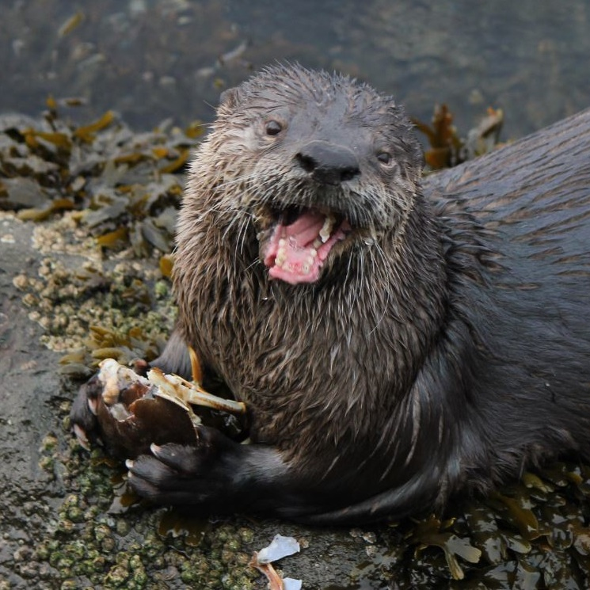
8 |  | 202 | 309 | -3 | 372 | 48 | 7 | 5 | 37 | 5 | 1868 | 767 | 672 | 27 | 159 | 1672 | 5 | 4 | 51
 | Otter's Gonna Eat Ya | 166 | 268 | 19 | 348 | 38 | 5 | 4 | 24 | 5 | 1579 | 573 | 590 | 37 | 191 | 2055 | 6 | 8 | 51
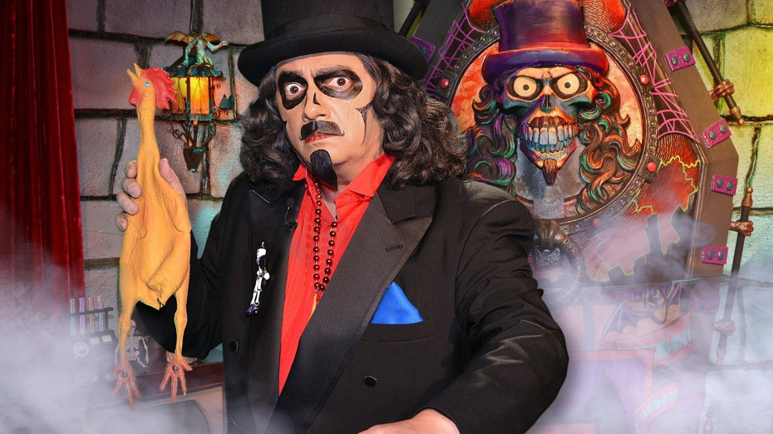
7 |  | 130 | 286 | -5 | 357 | 28 | 2 | 6 | 25 | 1 | 1275 | 585 | 471 | 39 | 234 | 2384 | 6 | 13 | 51
 | SVEN GOALIE
9
 | Rats On Ice
10
 | Hart For Hart
11
 | Ring Ten Bells
12
 | Beantown Beatdown
13
 | Fleury Road
14
 | Mighty Schmucks My Shmks
15
 | spoked B brawlers

Bro
RK | TEAM | SKATERS |  |  |  |  |  |  |  |  |  |  |  | GOALIES |  |  |  |  | TOTAL
1 |  | G | A | +/- | PIM | PPG | SHG | SHA | GWG | HAT | SOG | HIT | BLK | W | GA | SV | SO | OTL | TOT | CHG
 | Montreal Freemick Bros | 5675 | 11150 | 5 | 1068 | 630 | 80 | 30 | 680 | 75 | 4320 | 569 | 1186 | 2120 | -4365 | 5702 | 400 | 80 | 29405 | 390
2 | Mrs. Jussi | 5450 | 9300 | 5 | 1101 | 550 | 140 | 60 | 660 | 75 | 4190 | 897 | 1522 | 1960 | -5025 | 6436 | 150 | 260 | 27731 | 231
 | Blades of Steel | 4725 | 9375 | 190 | 1284 | 460 | 100 | 50 | 620 | 50 | 3700 | 1002 | 1318 | 2040 | -3780 | 5322 | 450 | 300 | 27206 | 360
3 | The Nasty Boys | 5225 | 7650 | 25 | 1047 | 530 | 40 | 20 | 760 | 100 | 3980 | 765 | 1198 | 2680 | -4455 | 6560 | 500 | 120 | 26745 | 303
...
9

10

11

12

13

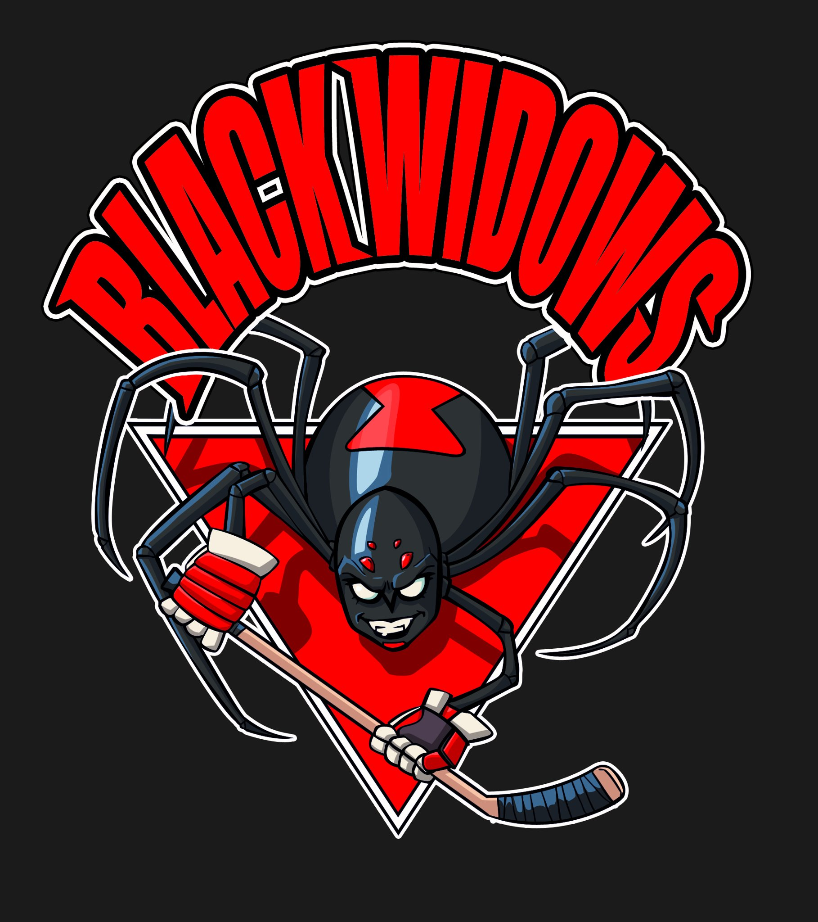
14

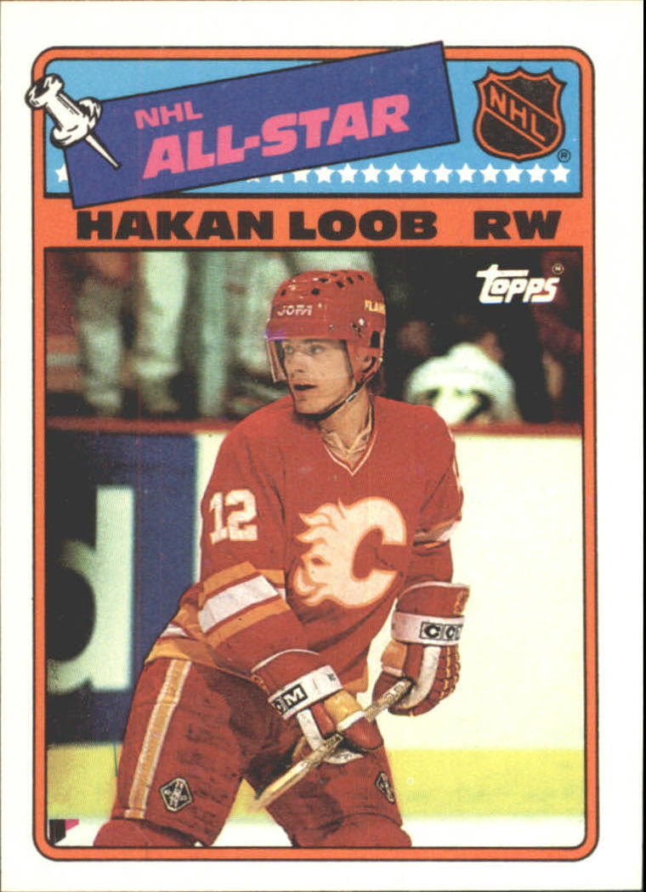
15

Season Stats
 |  | SKATERS |  |  |  |  |  |  |  |  |  |  |  | GOALIES
RK | TEAM | G | A | +/- | PIM | PPG | SHG | SHA | GWG | HAT | SOG | HIT | BLK | W | GA | SV | SO | OTL | MOVES
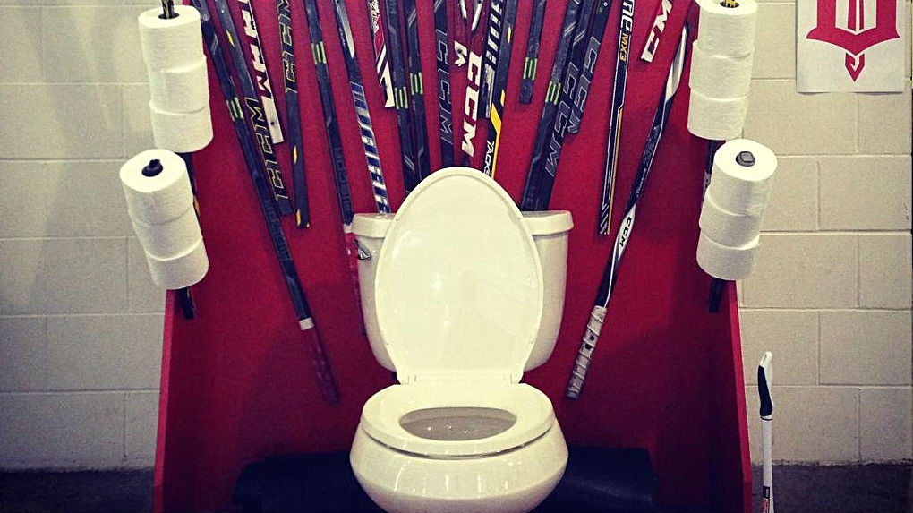
1 |  | 227 | 446 | 1 | 356 | 63 | 4 | 3 | 34 | 3 | 2160 | 569 | 593 | 53 | 291 | 2851 | 8 | 4 | 43
 | Montreal Freemick Bros | 218 | 372 | 1 | 367 | 55 | 7 | 6 | 33 | 3 | 2095 | 897 | 761 | 49 | 335 | 3218 | 3 | 13 | 43
2 |  | 189 | 375 | 38 | 428 | 46 | 5 | 5 | 31 | 2 | 1850 | 1002 | 659 | 51 | 252 | 2661 | 9 | 15 | 42
 | Mrs. Jussi | 209 | 306 | 5 | 349 | 53 | 2 | 2 | 38 | 4 | 1990 | 765 | 599 | 67 | 297 | 3280 | 10 | 6 | 44
3 |  | 226 | 293 | 60 | 440 | 50 | 8 | 2 | 47 | 3 | 1862 | 834 | 667 | 61 | 301 | 2810 | 9 | 11 | 42
 | Blades of Steel | 213 | 354 | 57 | 314 | 47 | 5 | 6 | 33 | 1 | 1752 | 527 | 576 | 56 | 364 | 3646 | 2 | 14 | 42
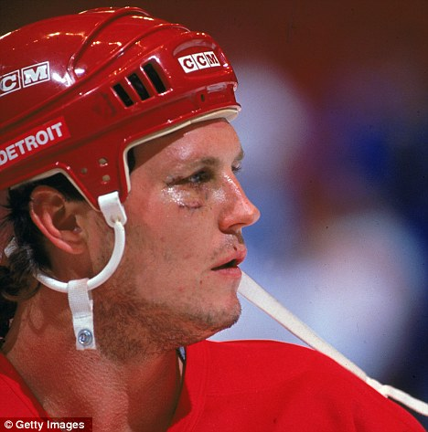
4 |  | 229 | 363 | 20 | 397 | 61 | 10 | 3 | 36 | 3 | 1942 | 890 | 819 | 30 | 245 | 2095 | 2 | 9 | 42
 | The Nasty Boys | 190 | 369 | 62 | 432 | 44 | 4 | 2 | 37 | 3 | 1942 | 733 | 645 | 43 | 221 | 2100 | 7 | 5 | 51
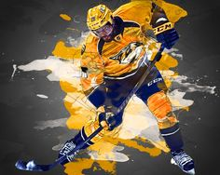
5 |  | 213 | 320 | 26 | 350 | 55 | 2 | 6 | 39 | 8 | 1729 | 816 | 692 | 52 | 352 | 3375 | 3 | 17 | 53
 | The PK Power Play | 182 | 366 | -28 | 314 | 53 | 4 | 8 | 28 | 4 | 1835 | 875 | 662 | 56 | 287 | 2807 | 6 | 13 | 51
6 |  | 170 | 362 | 33 | 383 | 49 | 5 | 6 | 24 | 5 | 1684 | 859 | 651 | 42 | 258 | 2677 | 3 | 12 | 51
 | Idaho Ice-Holes | 183 | 338 | -65 | 338 | 48 | 4 | 3 | 26 | 3 | 1743 | 713 | 610 | 37 | 206 | 2026 | 5 | 9 | 51
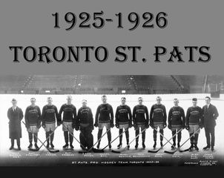
7 |  | 158 | 284 | 34 | 405 | 51 | 4 | 2 | 24 | 2 | 1436 | 711 | 620 | 37 | 186 | 1962 | 2 | 5 | 51
 | Sacramento St Pats | 160 | 268 | 10 | 424 | 31 | 2 | 3 | 29 | 0 | 1573 | 738 | 485 | 45 | 210 | 2235 | 3 | 13 | 51
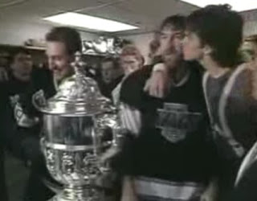
8 |  | 170 | 251 | -86 | 199 | 54 | 0 | 2 | 27 | 6 | 1622 | 566 | 468 | 46 | 275 | 3053 | 5 | 14 | 51
 | - Campbell Kings
9
 | Spartacus Bean
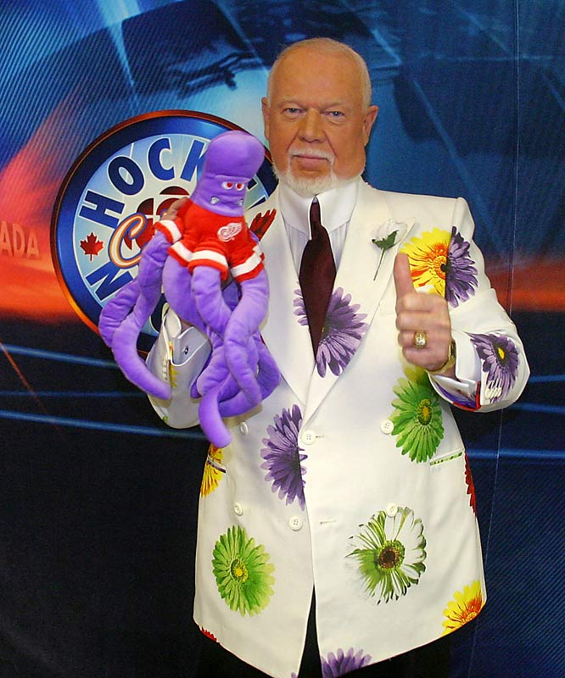
10
 | Los Angeles Hoddicks
11
 | South Jersey FightinDutchmen
12
 | Cariboo Cougars
14
 | Black Widows
13
 | Penn State Nittany Lions
15
 | Hakan Loob Goon Squad

Dun
...
RK | TEAM | SKATERS |  |  |  |  |  |  |  |  |  |  |  | GOALIES
8 | The Girthy Dangler | 4550 | 7350 | 75 | 1068 | 460 | 60 | 0 | 660 | 75 | 3242 | 604 | 1006 | 1760 | -3360 | 4178
 | Lincoln Locomotives H.C | 4075 | 7750 | 360 | 894 | 430 | 80 | 80 | 520 | 100 | 3036 | 469 | 850 | 960 | -2070 | 3006
9

10

11

12

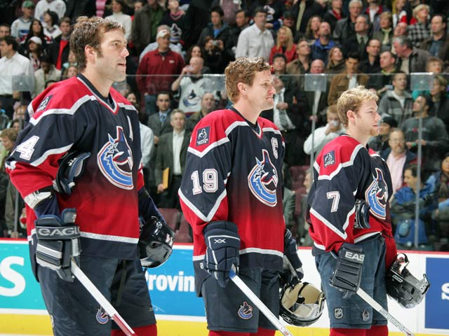
13

14

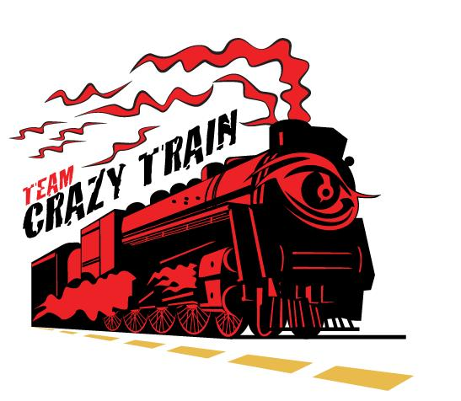
15

Season Stats
 |  | SKATERS |  |  |  |  |  |  |  |  |  |  |  | GOALIES
RK | TEAM | G | A | +/- | PIM | PPG | SHG | SHA | GWG | HAT | SOG | HIT | BLK | W | GA | SV
1 |  | 218 | 424 | 13 | 337 | 68 | 7 | 7 | 31 | 5 | 2080 | 797 | 686 | 50 | 224 | 2395
 | The Special One | 230 | 357 | 51 | 334 | 52 | 5 | 2 | 40 | 4 | 1901 | 715 | 636 | 59 | 288 | 3115
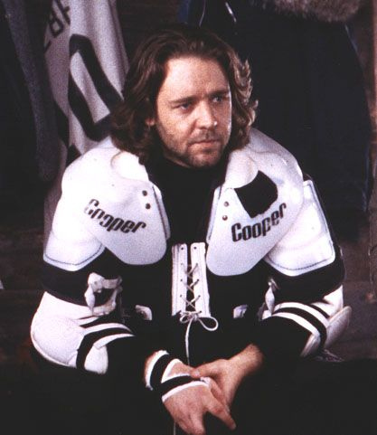
2 |  | 225 | 340 | 8 | 312 | 56 | 8 | 5 | 46 | 2 | 1928 | 646 | 635 | 61 | 321 | 3570
 | Mystery Eskimos | 201 | 327 | 9 | 296 | 51 | 3 | 4 | 35 | 3 | 1893 | 766 | 603 | 74 | 351 | 3629
3 |  | 217 | 346 | 44 | 528 | 72 | 3 | 2 | 31 | 4 | 1919 | 828 | 696 | 43 | 311 | 2938
 | Lubo Sucks | 196 | 415 | 65 | 400 | 53 | 5 | 3 | 43 | 4 | 1954 | 847 | 822 | 24 | 186 | 1549
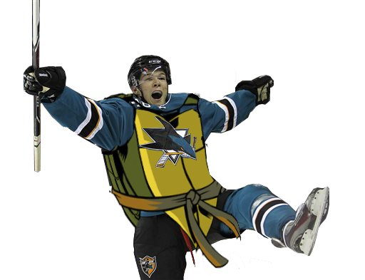
4 |  | 225 | 336 | 31 | 372 | 66 | 5 | 5 | 36 | 3 | 1823 | 826 | 616 | 44 | 226 | 2367
 | Teenage Mutant Ninja Hertls | 192 | 388 | 35 | 372 | 41 | 7 | 5 | 31 | 3 | 1929 | 880 | 746 | 37 | 307 | 2656
5 |  | 202 | 339 | -15 | 339 | 55 | 5 | 3 | 29 | 4 | 1730 | 650 | 619 | 56 | 244 | 2833 | 5 | 9 | 52
 | The Alberta Express | 169 | 311 | -41 | 380 | 43 | 1 | 6 | 31 | 1 | 1737 | 854 | 666 | 76 | 350 | 3632 | 6 | 11 | 51
6 |  | 174 | 318 | -51 | 457 | 57 | 5 | 4 | 23 | 2 | 1780 | 731 | 600 | 36 | 280 | 2731 | 2 | 19 | 51
 | Halifax Highlanders | 160 | 298 | -11 | 417 | 34 | 4 | 3 | 15 | 4 | 1609 | 965 | 600 | 61 | 400 | 3698 | 4 | 12 | 51
7 |  | 178 | 324 | -3 | 371 | 37 | 1 | 3 | 25 | 1 | 1742 | 806 | 645 | 45 | 241 | 2128 | 2 | 7 | 51
 | Herpes Simplex 2 | 182 | 294 | 15 | 356 | 46 | 3 | 0 | 33 | 3 | 1621 | 604 | 503 | 44 | 224 | 2089 | 5 | 5 | 51
8 |  | 163 | 310 | 72 | 298 | 43 | 4 | 8 | 26 | 4 | 1518 | 469 | 425 | 24 | 138 | 1503 | 5 | 6 | 51
 | Foothills Ice
9
 | The Moving Company
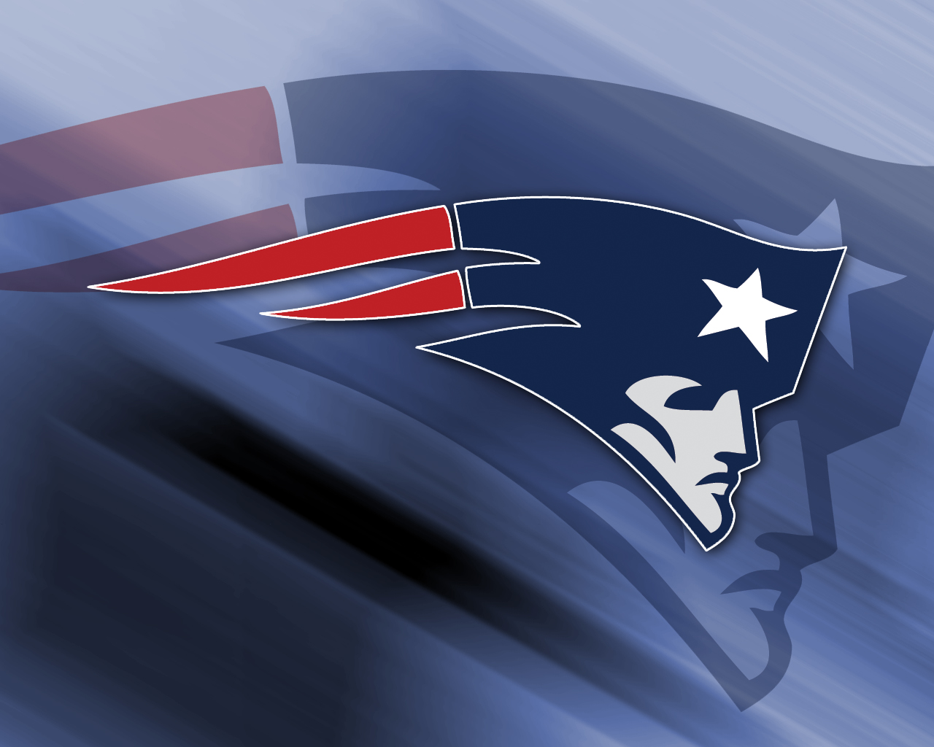
10
 | New England Dynasty
11
 | Luongo Shot
12
 | Fab's Biggest Fan
13
 | Hughes Brothers
14
 | The Girthy Dangler
15
 | Lincoln Locomotives H.C

Car
...
RK | TEAM | SKATERS |  |  |  |  |  |  |  |  |  |  |  | GOALIES
6 | West Coast Express | 4800 | 8150 | 115 | 783 | 550 | 40 | 10 | 640 | 100 | 3462 | 822 | 1240 | 1600 | -3315 | 4394 | 250 | 140
 | Strawberry Melrose™‼️ | 4600 | 7175 | 50 | 1023 | 430 | 180 | 30 | 640 | 75 | 3288 | 641 | 894 | 1480 | -2790 | 4056 | 150 | 120
7 | Johnstown Jets | 4200 | 7400 | 315 | 1158 | 410 | 60 | 30 | 520 | 75 | 2832 | 798 | 1190 | 1240 | -3270 | 4310 | 150 | 140
 | Terror Senko | 3750 | 6275 | 25 | 867 | 350 | 60 | 60 | 620 | 75 | 3186 | 703 | 1156 | 2200 | -4545 | 5988 | 350 | 260
8 | Jasper Legion of Doom | 3325 | 6275 | -450 | 1044 | 280 | 80 | 30 | 440 | 0 | 2946 | 751 | 1190 | 1600 | -4200 | 5206 | 100 | 340
 | Manalapan, NJ The"A"Line | 3275 | 6225 | -210 | 831 | 380 | 20 | 30 | 260 | 50 | 2884 | 549 | 950 | 1200 | -2265 | 2998 | 100 | 180
9

10

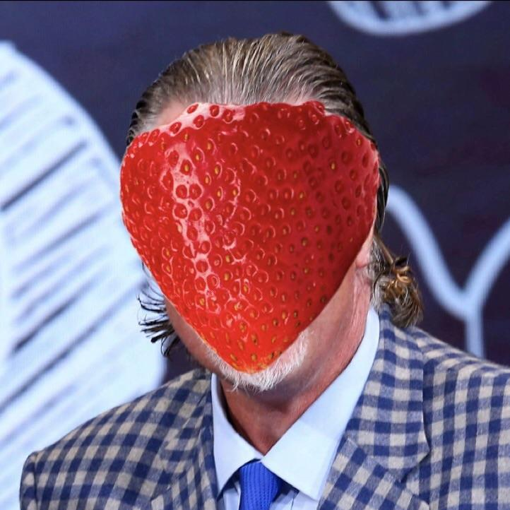
11

12

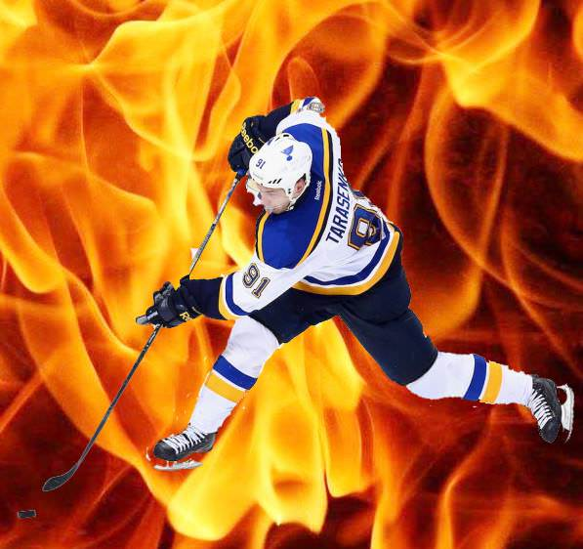
13

14

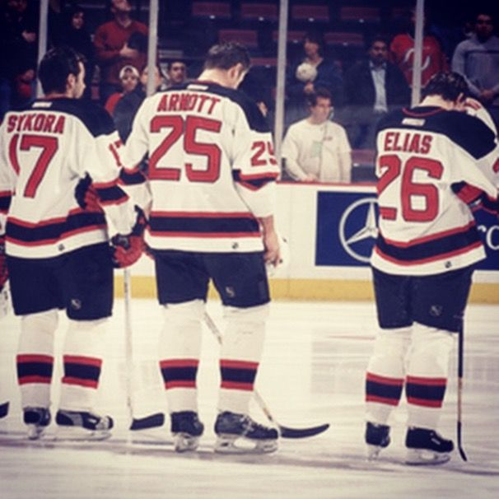
15

Season Stats
 |  | SKATERS |  |  |  |  |  |  |  |  |  |  |  | GOALIES
RK | TEAM | G | A | +/- | PIM | PPG | SHG | SHA | GWG | HAT | SOG | HIT | BLK | W | GA | SV | SO | OTL | MOVES
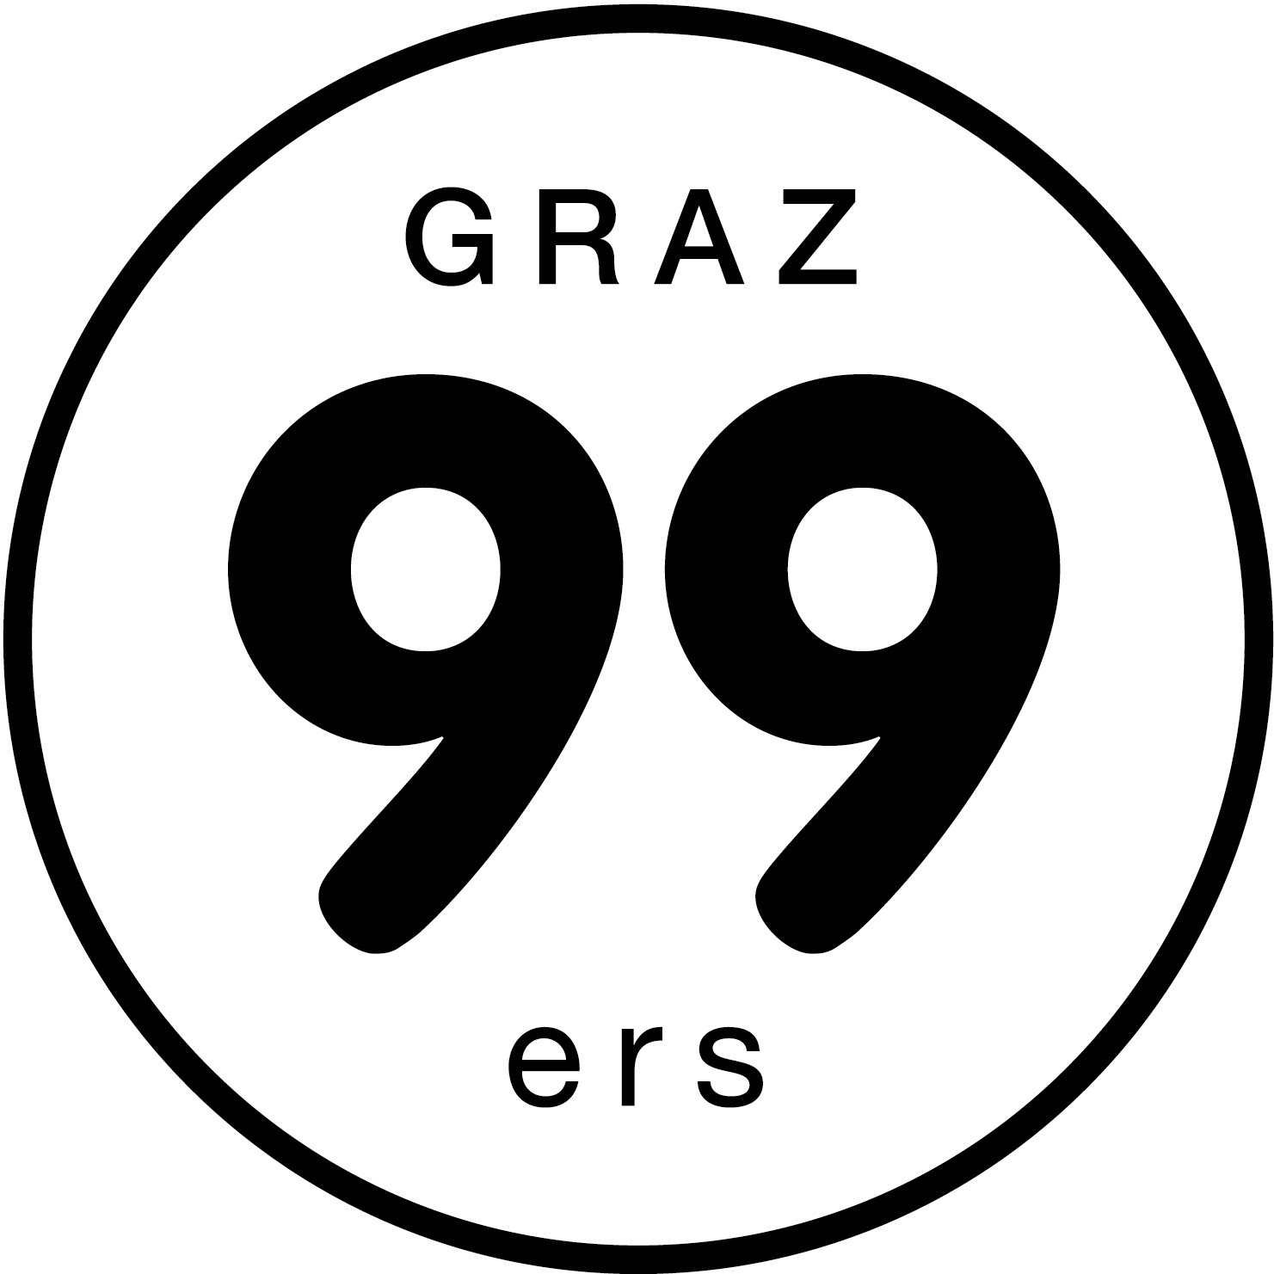
1 |  | 234 | 369 | 4 | 409 | 50 | 5 | 3 | 35 | 6 | 2027 | 838 | 681 | 57 | 285 | 3069 | 9 | 13 | 43
 | Tooele SENS | 203 | 399 | 36 | 470 | 57 | 4 | 9 | 34 | 4 | 1770 | 886 | 765 | 56 | 260 | 2863 | 7 | 11 | 42
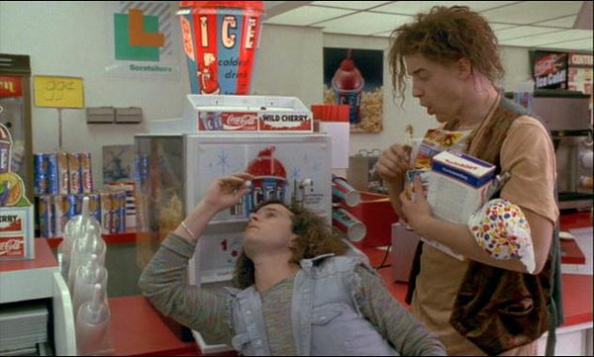
2 |  | 246 | 408 | 43 | 387 | 54 | 6 | 4 | 31 | 1 | 2113 | 705 | 649 | 45 | 288 | 2563 | 6 | 11 | 42
 | Wheezing The Djoos | 206 | 434 | 24 | 349 | 59 | 6 | 7 | 35 | 6 | 2012 | 679 | 698 | 46 | 319 | 2964 | 6 | 11 | 42
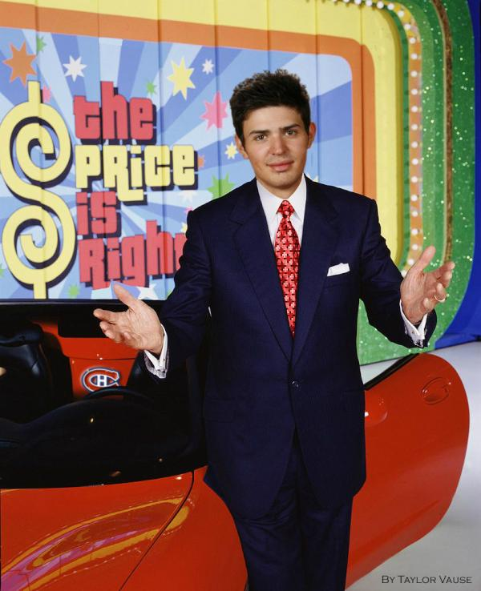
3 |  | 201 | 355 | 38 | 525 | 58 | 9 | 4 | 32 | 2 | 1795 | 778 | 527 | 62 | 350 | 3385 | 10 | 14 | 42
 | The Price is Right | 203 | 387 | 79 | 303 | 63 | 5 | 2 | 32 | 5 | 1738 | 728 | 710 | 51 | 244 | 2591 | 5 | 8 | 42
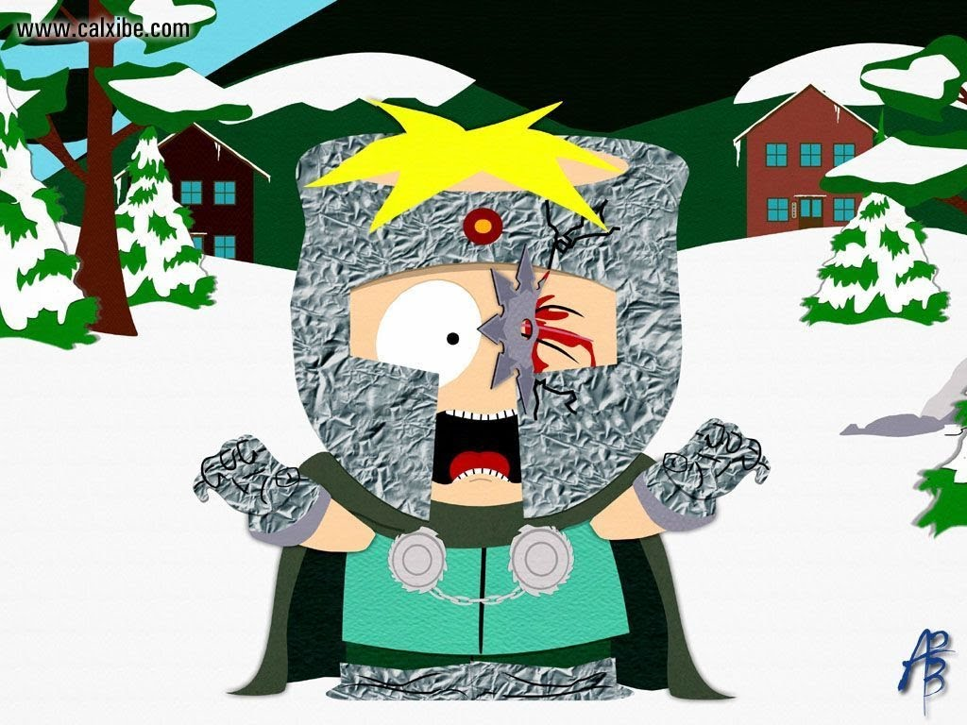
4 |  | 194 | 323 | 81 | 343 | 48 | 5 | 5 | 38 | 5 | 1729 | 614 | 747 | 51 | 284 | 2877 | 7 | 10 | 42
 | Professor Chaos | 207 | 341 | -35 | 399 | 39 | 1 | 1 | 42 | 3 | 1751 | 771 | 598 | 48 | 312 | 3016 | 4 | 8 | 42
5 |  | 180 | 305 | -57 | 288 | 66 | 2 | 3 | 29 | 3 | 1841 | 776 | 555 | 64 | 344 | 3340 | 5 | 7 | 51
 | Toronto Rooks | 192 | 326 | 23 | 261 | 55 | 2 | 1 | 32 | 4 | 1731 | 822 | 620 | 40 | 221 | 2197 | 5 | 7 | 51
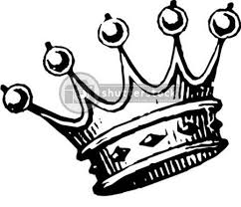
6 |  | 184 | 287 | 10 | 341 | 43 | 9 | 3 | 32 | 3 | 1644 | 641 | 447 | 37 | 186 | 2028 | 3 | 6 | 51
 | Kingston Kings | 168 | 296 | 63 | 386 | 41 | 3 | 3 | 26 | 3 | 1416 | 798 | 595 | 31 | 218 | 2155 | 3 | 7 | 51
7 |  | 150 | 251 | 5 | 289 | 35 | 3 | 6 | 31 | 3 | 1593 | 703 | 578 | 55 | 303 | 2994 | 7 | 13 | 51
 | Vault-Tec Wanderers | 133 | 251 | -90 | 348 | 28 | 4 | 3 | 22 | 0 | 1473 | 751 | 595 | 40 | 280 | 2603 | 2 | 17 | 51
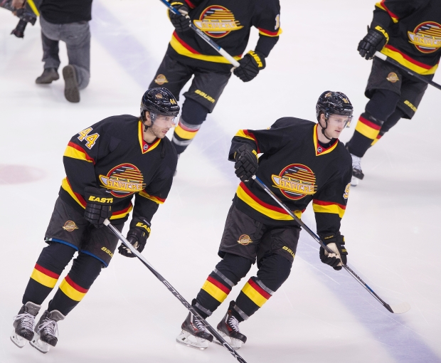
8 |  | 131 | 249 | -42 | 277 | 38 | 1 | 3 | 13 | 2 | 1442 | 549 | 475 | 30 | 151 | 1499 | 2 | 9 | 51
 | O-Town Canucks
9
 | Team DangeRuss
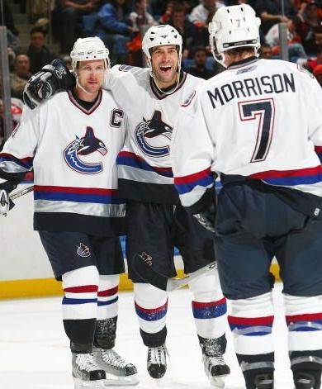
10
 | West Coast Express
11
 | Strawberry Melrose™‼️
12
 | Johnstown Jets
13
 | Terror Senko
14
 | Jasper Legion of Doom
15
 | Manalapan, NJ The"A"Line

Bra
...
Season Stats
10
 | Team Visconti
11
 | Oshawa Dirtbags
12
 | The Lizards
13
 | EP Pirates
14
 | Tempe Tombstones
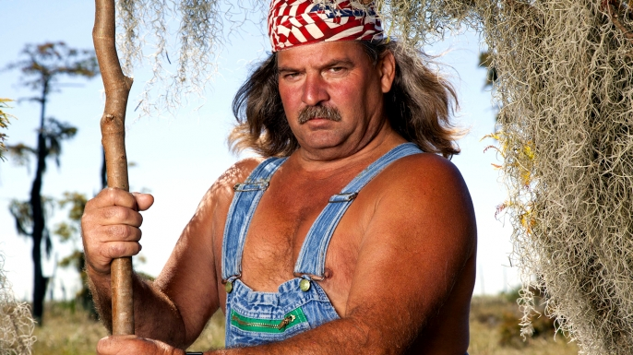
15
 | Cajun Persuasion

Bou
...
Season Stats
 | 2013 All Star Auto Drafters
12
 | Choke On Our LittleSchwartz
13
 | Massengill Greyhounds
14
 | Team V
15
 | Halifax Explosions

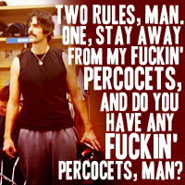

Dro
...
Season Stats
1 |  | 246 | 377 | 45 | 412 | 60 | 13 | 4 | 43 | 5
 | Sacramento St. Pats | 223 | 447 | 35 | 345 | 58 | 3 | 12 | 44 | 2
2 |  | 233 | 380 | 32 | 430 | 75 | 2 | 1 | 26 | 4
 | North Stars | 206 | 428 | 50 | 292 | 69 | 4 | 5 | 35 | 1
3 |  | 225 | 367 | 100 | 396 | 49 | 9 | 5 | 44 | 5
 | Vancouver Electro | 182 | 340 | -11 | 402 | 47 | 3 | 3 | 30 | 5
4 |  | 196 | 333 | 25 | 370 | 55 | 4 | 2 | 35 | 3
 | Dazed And Confused | 214 | 372 | 100 | 324 | 52 | 9 | 6 | 30 | 3
5 |  | 142 | 339 | 14 | 395 | 39 | 5 | 5 | 25 | 2
 | River City ReHabs | 216 | 297 | -29 | 313 | 58 | 6 | 4 | 31 | 6
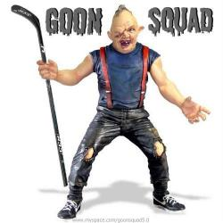
6 |  | 214 | 280 | 3 | 380 | 52 | 1 | 0 | 33 | 7
 | Da Goon Of Da Drouin | 171 | 284 | -34 | 352 | 49 | 2 | 2 | 21 | 3
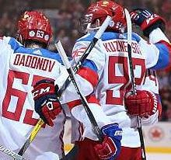
8 |  | 158 | 303 | -30 | 499 | 35 | 2 | 5 | 23 | 2
 | Team Evgeniii² | 145 | 271 | -62 | 443 | 48 | 1 | 2 | 33 | 2
7 |  | 136 | 218 | 31 | 251 | 17 | 2 | 5 | 23 | 2
 | Calgary Prairie Oysters
9
 | ESPN Or Die
10
 | Team Tormund
11
 | Pominville Petes
12
 | Team Hoddick
13
 | Aussie Beers
14
 | Team Hurlburt
15
 | Dark Angel

Cha
...
15

Season Stats
 |  | SKATERS |  |  |  |  |  |  |  |  |  |  |  | GOALIES
RK | TEAM | G | A | +/- | PIM | PPG | SHG | SHA | GWG | HAT | SOG | HIT | BLK | W | GA | SV
1 |  | 233 | 383 | 53 | 379 | 65 | 6 | 3 | 40 | 9 | 1954 | 706 | 882 | 49 | 261 | 2681
 | Sticks out 4 Harambe | 205 | 359 | 32 | 361 | 51 | 4 | 3 | 29 | 2 | 1880 | 905 | 703 | 66 | 326 | 3456
2 |  | 206 | 359 | 45 | 257 | 49 | 3 | 4 | 40 | 3 | 1778 | 618 | 686 | 69 | 379 | 3974
 | District 5 Flying Vs | 230 | 328 | 62 | 286 | 53 | 3 | 4 | 35 | 3 | 1922 | 781 | 598 | 53 | 310 | 3105
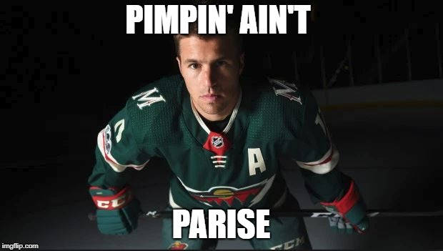
3 |  | 228 | 349 | 97 | 515 | 70 | 5 | 7 | 37 | 4 | 2047 | 1036 | 689 | 23 | 218 | 1788
 | Pimpin' Ain't Parise | 191 | 361 | -21 | 439 | 52 | 7 | 1 | 29 | 2 | 1938 | 729 | 529 | 54 | 281 | 2921
4 |  | 187 | 345 | 57 | 393 | 49 | 6 | 6 | 30 | 2 | 1839 | 861 | 745 | 47 | 238 | 2495
 | Team Butler | 181 | 358 | -21 | 370 | 27 | 9 | 7 | 31 | 5 | 1840 | 1035 | 671 | 53 | 301 | 2862
5 |  | 210 | 396 | 76 | 329 | 43 | 6 | 6 | 32 | 1 | 1677 | 664 | 585 | 42 | 215 | 1941
 | Insane In The E. Kane | 197 | 304 | 1 | 332 | 65 | 2 | 0 | 36 | 3 | 1731 | 562 | 582 | 56 | 244 | 2719
6 |  | 169 | 316 | -48 | 362 | 54 | 3 | 1 | 21 | 3 | 1732 | 834 | 632 | 61 | 335 | 3448
 | Team Ice | 161 | 343 | -26 | 421 | 38 | 6 | 8 | 29 | 3 | 1632 | 771 | 597 | 40 | 231 | 2284
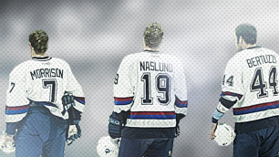
7 |  | 148 | 375 | -43 | 396 | 44 | 4 | 5 | 26 | 2 | 1645 | 653 | 600 | 34 | 235 | 2168
 | Southeast Coast Express | 162 | 234 | -40 | 318 | 53 | 2 | 3 | 28 | 5 | 1579 | 699 | 573 | 45 | 270 | 2665
8 |  | 138 | 218 | -3 | 327 | 30 | 2 | 3 | 20 | 1 | 1438 | 763 | 585 | 39 | 242 | 2249
 | Transylvania Ice Bears
9
 | Team Miller
10
 | A Gost and a Bishop?!
11
 | PhillyPhilly McVeigh
12
 | YOU HAVE PENS PROBLEMS!!!!!!!
13
 | 9th Isle Vibe
14
 | Saad Stoner
15
 | Gambler's Anonymous

Lus
...
RK | TEAM | SKATERS |  |  |  |  |  |  |  |  |  |  |  | GOALIES |  |  |  |  | TOTAL
8 | Team Viva Kelly Leak | 4375 | 7425 | -215 | 1272 | 510 | 100 | 50 | 460 | 125 | 3650 | 847 | 1390 | 1400 | -3435 | 4282 | 250 | 180 | 22666 | 203
 | Liquored Up And Pantless | 4300 | 8175 | -230 | 1236 | 490 | 140 | 30 | 360 | 50 | 3466 | 792 | 1408 | 1160 | -2310 | 2876 | 150 | 80 | 22173 | 105
9

10

11

12

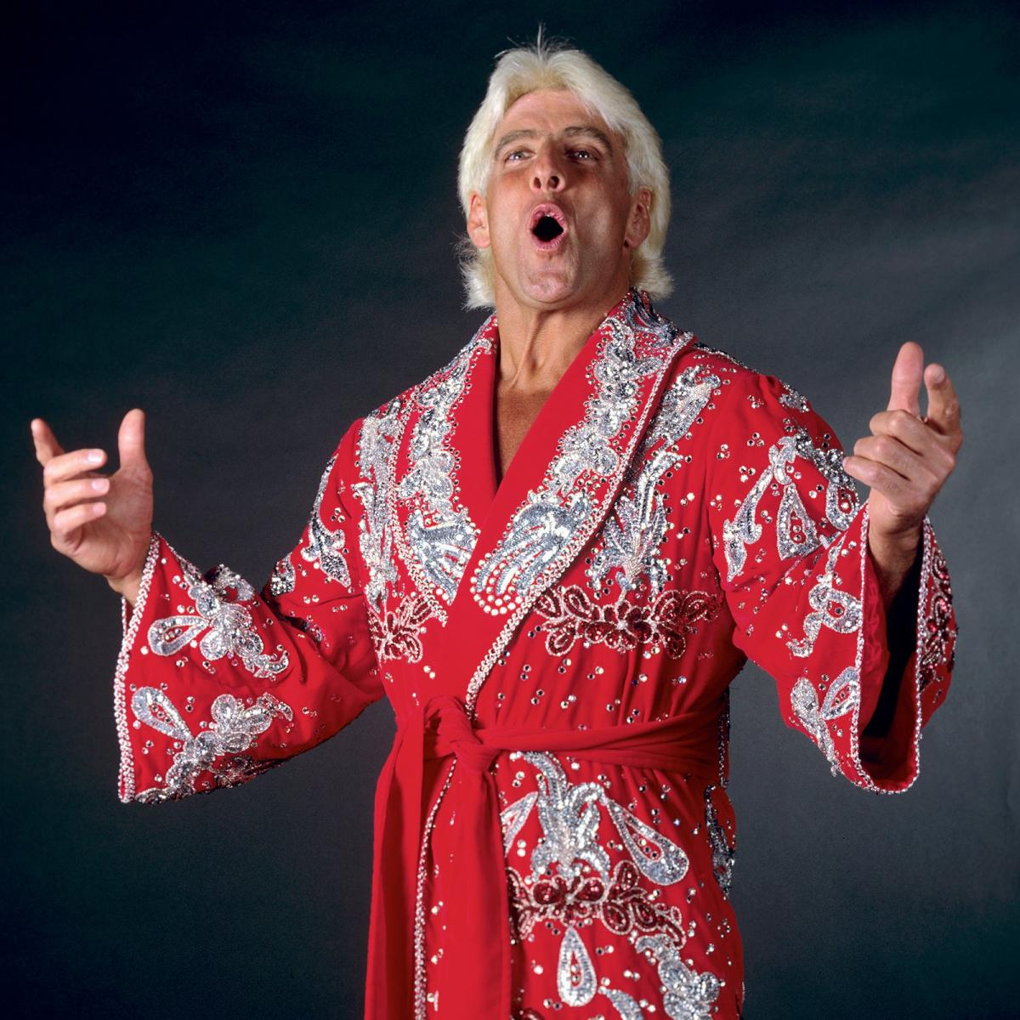
13

14

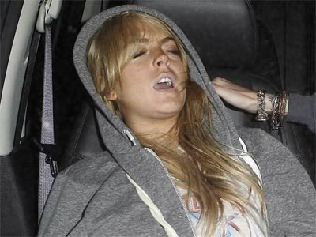
15

Season Stats
 |  | SKATERS |  |  |  |  |  |  |  |  |  |  |  | GOALIES
RK | TEAM | G | A | +/- | PIM | PPG | SHG | SHA | GWG | HAT | SOG | HIT | BLK | W | GA | SV | SO | OTL | MOVES
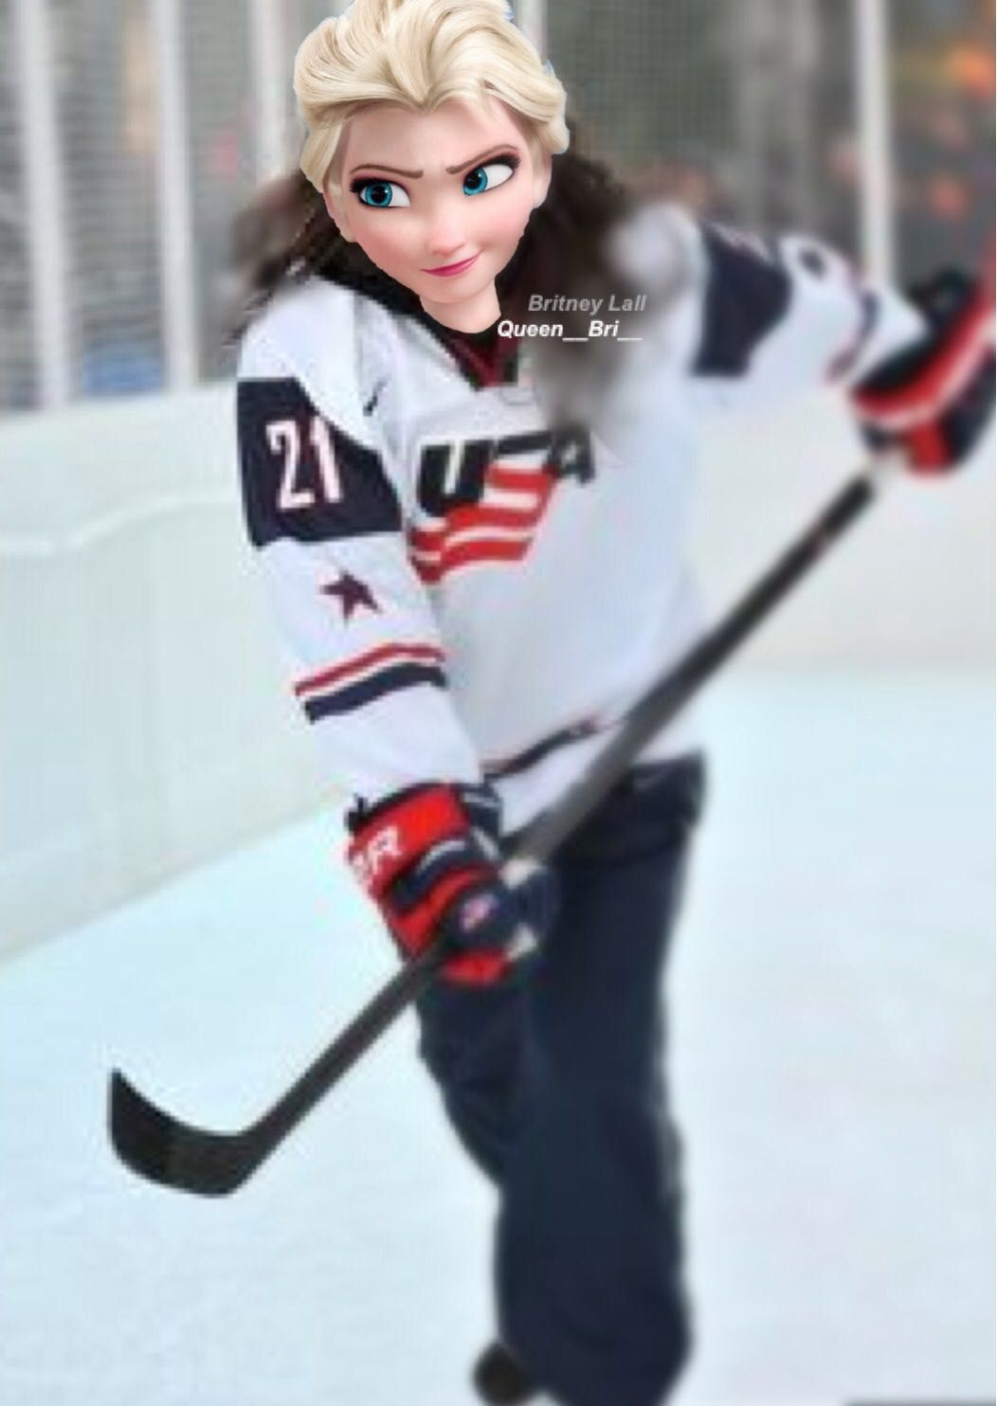
1 |  | 211 | 395 | 34 | 344 | 52 | 4 | 4 | 38 | 6 | 1931 | 709 | 579 | 55 | 256 | 3172 | 11 | 11 | 42
 | Frozen 💎 Fever | 226 | 404 | 114 | 428 | 59 | 12 | 9 | 43 | 5 | 2087 | 728 | 764 | 31 | 191 | 1891 | 2 | 12 | 42
2 |  | 200 | 378 | 67 | 371 | 58 | 3 | 1 | 39 | 5 | 1841 | 612 | 575 | 60 | 240 | 2933 | 11 | 10 | 42
 | Leaf Homer | 246 | 353 | 12 | 335 | 57 | 6 | 4 | 43 | 4 | 1981 | 876 | 664 | 57 | 308 | 3074 | 3 | 13 | 43
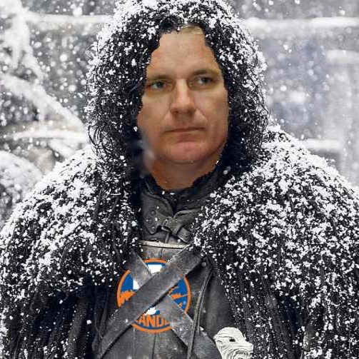
3 |  | 186 | 383 | 63 | 366 | 46 | 7 | 3 | 28 | 1 | 1866 | 605 | 713 | 63 | 382 | 3900 | 6 | 12 | 43
 | YouKnowNothing, Garth Snow | 228 | 341 | 13 | 401 | 57 | 3 | 6 | 33 | 1 | 1959 | 885 | 592 | 58 | 339 | 3239 | 10 | 10 | 44
4 |  | 200 | 378 | -63 | 222 | 62 | 2 | 2 | 38 | 3 | 1763 | 591 | 573 | 77 | 382 | 3754 | 9 | 14 | 42
 | No Regretzkys | 198 | 324 | 16 | 378 | 56 | 4 | 5 | 26 | 3 | 1786 | 826 | 715 | 62 | 350 | 3461 | 5 | 9 | 51
5 |  | 200 | 327 | 52 | 327 | 49 | 4 | 6 | 30 | 1 | 1782 | 825 | 632 | 56 | 312 | 3160 | 3 | 13 | 52
 | Seattle Snoot | 211 | 348 | 30 | 285 | 53 | 3 | 2 | 33 | 4 | 1827 | 550 | 606 | 42 | 192 | 2091 | 4 | 9 | 51
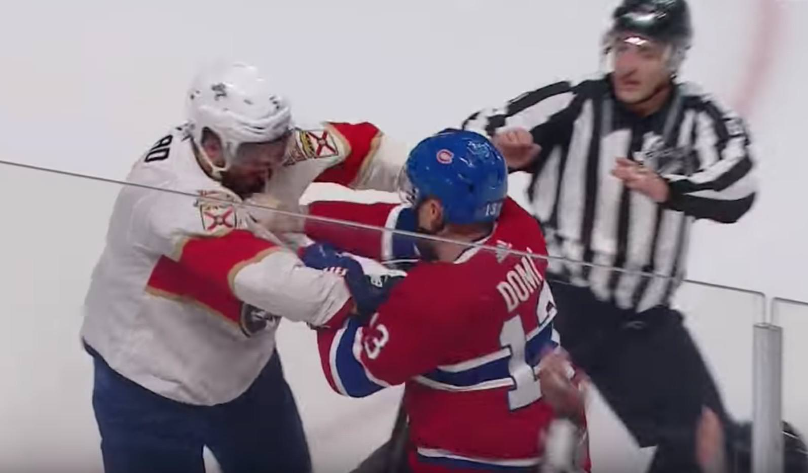
6 |  | 169 | 338 | 85 | 489 | 46 | 4 | 7 | 30 | 1 | 1712 | 898 | 720 | 46 | 301 | 2901 | 4 | 13 | 51
 | 1 Punch Max Domi | 202 | 327 | -14 | 296 | 54 | 2 | 3 | 36 | 5 | 1696 | 674 | 532 | 50 | 274 | 2661 | 8 | 9 | 51
7 |  | 182 | 289 | 12 | 442 | 51 | 2 | 5 | 35 | 5 | 1707 | 1080 | 524 | 44 | 210 | 2192 | 3 | 10 | 51
 | Bear Point Beavers | 175 | 297 | -43 | 424 | 51 | 5 | 5 | 23 | 5 | 1825 | 847 | 695 | 35 | 229 | 2141 | 5 | 9 | 51
8 |  | 172 | 327 | -46 | 412 | 49 | 7 | 3 | 18 | 2 | 1733 | 792 | 704 | 29 | 154 | 1438 | 3 | 4 | 51
 | ChiaRelli Koolaid
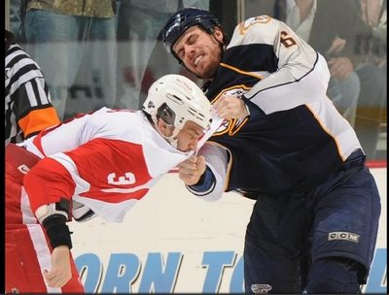
9
 | The Captain's America
11
 | The Scrunt Hunter
10
 | Doctor Detroit
12
 | Teddy Toe Drag
13
 | Apples 🍎
14
 | Team Viva Kelly Leak
15
 | Liquored Up And Pantless

McC
...
RK | TEAM | SKATERS |  |  |  |  |  |  |  |  |  |  |  | GOALIES |  |  |  |  | TOTAL
7 | Team V | 4025 | 8500 | 215 | 783 | 380 | 100 | 50 | 460 | 50 | 3372 | 641 | 1266 | 2600 | -5655 | 7446 | 400 | 300 | 24933 | 276
 | Tofu Robots | 4675 | 6825 | 5 | 1272 | 400 | 140 | 20 | 640 | 50 | 3530 | 892 | 1340 | 1920 | -5190 | 6382 | 300 | 220 | 23421 | 51
8 | Beware the Penguins | 3225 | 8100 | 115 | 1362 | 290 | 60 | 10 | 560 | 0 | 2974 | 787 | 1278 | 2160 | -4680 | 6118 | 150 | 240 | 22749 | 323
 | Broome County Blades | 4175 | 7375 | -75 | 1236 | 510 | 60 | 20 | 580 | 25 | 3446 | 766 | 1300 | 1240 | -2820 | 3790 | 200 | 140 | 21968 | 175
9

10

11

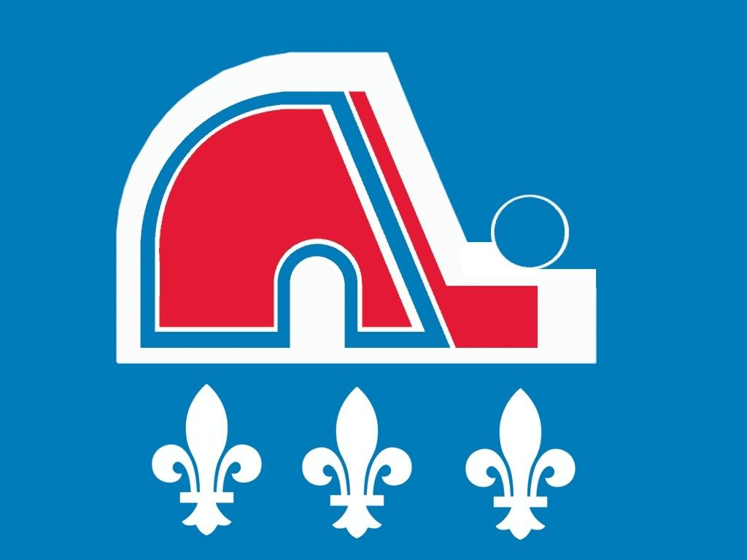
12

13

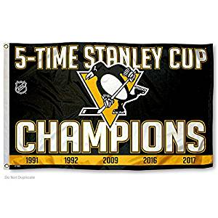
14

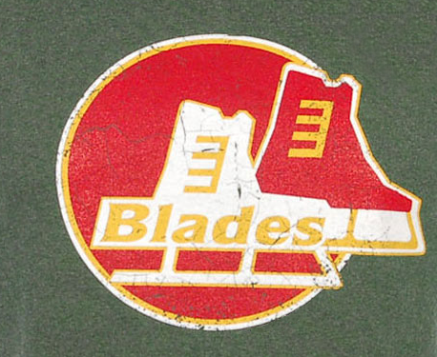
15

Season Stats
 |  | SKATERS |  |  |  |  |  |  |  |  |  |  |  | GOALIES
RK | TEAM | G | A | +/- | PIM | PPG | SHG | SHA | GWG | HAT | SOG | HIT | BLK | W | GA | SV | SO | OTL | MOVES
1 |  | 230 | 389 | 1 | 443 | 67 | 3 | 4 | 31 | 1 | 2018 | 782 | 721 | 56 | 323 | 3394 | 8 | 16 | 42
 | Eberle Hills 90210 | 218 | 401 | 36 | 248 | 57 | 3 | 4 | 32 | 2 | 2087 | 711 | 586 | 62 | 314 | 3353 | 5 | 13 | 42
2 |  | 223 | 398 | 20 | 324 | 60 | 9 | 11 | 42 | 4 | 1972 | 679 | 626 | 47 | 267 | 2733 | 5 | 13 | 42
 | Tradidis LCBO Pirates | 229 | 356 | 121 | 421 | 58 | 4 | 7 | 22 | 4 | 2021 | 963 | 704 | 46 | 259 | 2799 | 7 | 10 | 43
4 |  | 240 | 344 | -15 | 322 | 69 | 5 | 3 | 44 | 6 | 2042 | 778 | 762 | 51 | 281 | 2869 | 6 | 9 | 42
 | Hatrick Marleau | 208 | 347 | 98 | 392 | 57 | 5 | 5 | 42 | 1 | 1870 | 840 | 650 | 65 | 323 | 3149 | 4 | 12 | 43
3 |  | 218 | 315 | 38 | 483 | 52 | 4 | 5 | 36 | 3 | 1796 | 957 | 654 | 61 | 292 | 2977 | 11 | 10 | 42
 | Austria EC Graz | 195 | 363 | -14 | 392 | 47 | 4 | 4 | 36 | 1 | 1897 | 947 | 606 | 58 | 283 | 2715 | 1 | 11 | 51
5 |  | 187 | 343 | -27 | 419 | 49 | 3 | 3 | 34 | 5 | 1747 | 769 | 682 | 58 | 311 | 3152 | 6 | 12 | 51
 | Benn Over and Take It | 197 | 369 | 2 | 319 | 55 | 4 | 4 | 33 | 6 | 1803 | 627 | 571 | 49 | 367 | 3230 | 5 | 15 | 51
6 |  | 201 | 315 | -11 | 384 | 54 | 2 | 3 | 32 | 8 | 1828 | 764 | 609 | 50 | 228 | 2445 | 6 | 8 | 51
 | McTuft And Co. | 161 | 340 | 43 | 261 | 38 | 5 | 5 | 23 | 2 | 1686 | 641 | 633 | 65 | 377 | 3723 | 8 | 15 | 51
7 |  | 187 | 273 | 1 | 424 | 40 | 7 | 2 | 32 | 2 | 1765 | 892 | 670 | 48 | 346 | 3191 | 6 | 11 | 51
 | Wine Em Dine Em Sixty Nine Em | 129 | 324 | 23 | 454 | 29 | 3 | 1 | 28 | 0 | 1487 | 787 | 639 | 54 | 312 | 3059 | 3 | 12 | 51
8 |  | 167 | 295 | -15 | 412 | 51 | 3 | 2 | 29 | 1 | 1723 | 766 | 650 | 31 | 188 | 1895 | 4 | 7 | 51
 | Canuck Suck
9
 | UBC Engineers
10
 | Kaliningrad U
11
 | The BarrelRiders
12
 | Team V
13
 | Tofu Robots
14
 | Beware the Penguins
15
 | Broome County Blades

